Pivot Table 2
Quarterly Sales Performance
 | close_date - Year-Quarter
 | 2017-Q4 | 2017-Q3 | 2017-Q2 | 2017-Q1 | Grand Total
COUNTA of opportunity_id | 1,196 | 1,257 | 1,254 | 531 | 4,238

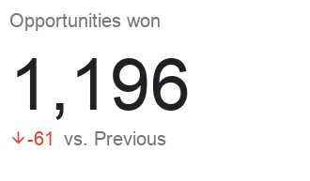
Win %

Opportunities won by sales agent

